SEIA
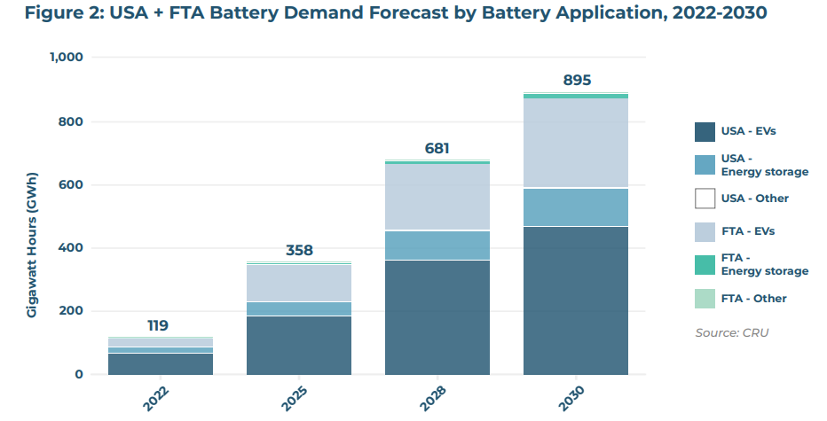
US demand for EV batteries
2022 | 66 | GWh
2030 | 466 | GWh

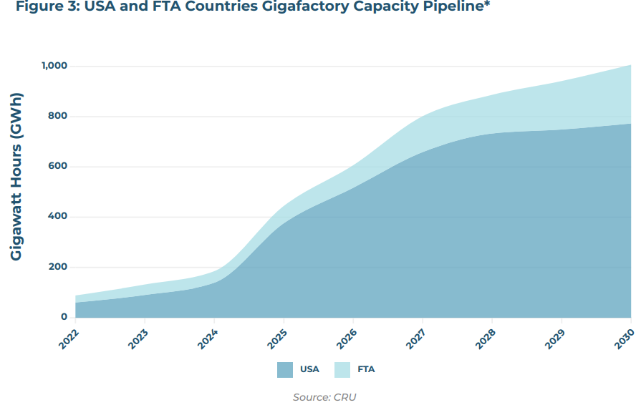
US manufacturing capacity for for battery cells
2022 | 60 | GWh
2030 | 773 | GWh | (pulled from image)

Share of capacity dedicated to non-automotive applications (primarily BESS)
2030 | 13%
* assumes the same ratio of unannounced applications will be BESS as announced applications

Approximate US manufacturing capacity for EVs
2030 | 670 | GWh

Share of US vehicle battery demand that can be met with domestic manufacturing
2030 | 144%

Argonne
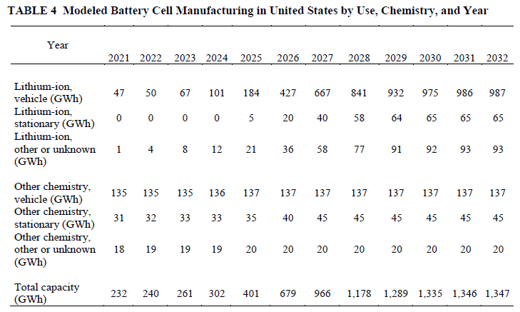

 |  |  | Manufacturing capacity
 |  |  | 2023 | 202
 |  |  | 2030 | 1112

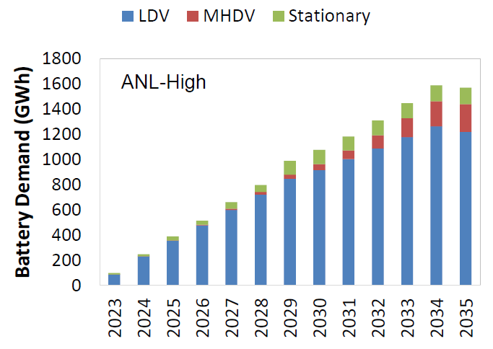
Demand
2023 | 87 | GWh
2030 | 965 | GWh

Share of US BESS demand that can be met with domestic manufacturing
2030 | 115%

S&P
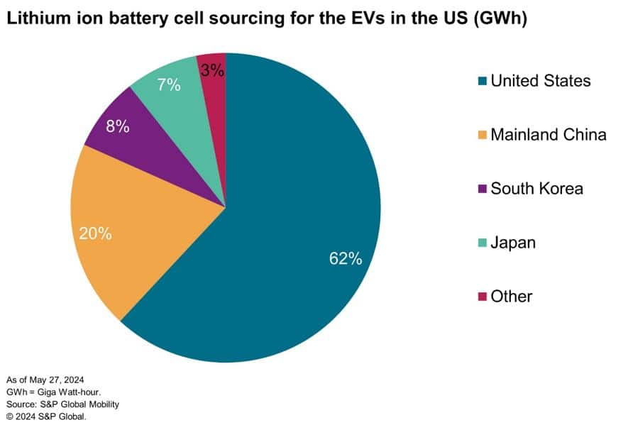

https://www.spglobal.com/mobility/en/research-analysis/briefcase-the-game-of-tariffs-ev-battery-imports.html

Current share of EV battery sourcing
62%

